ILLUSTRATIONS
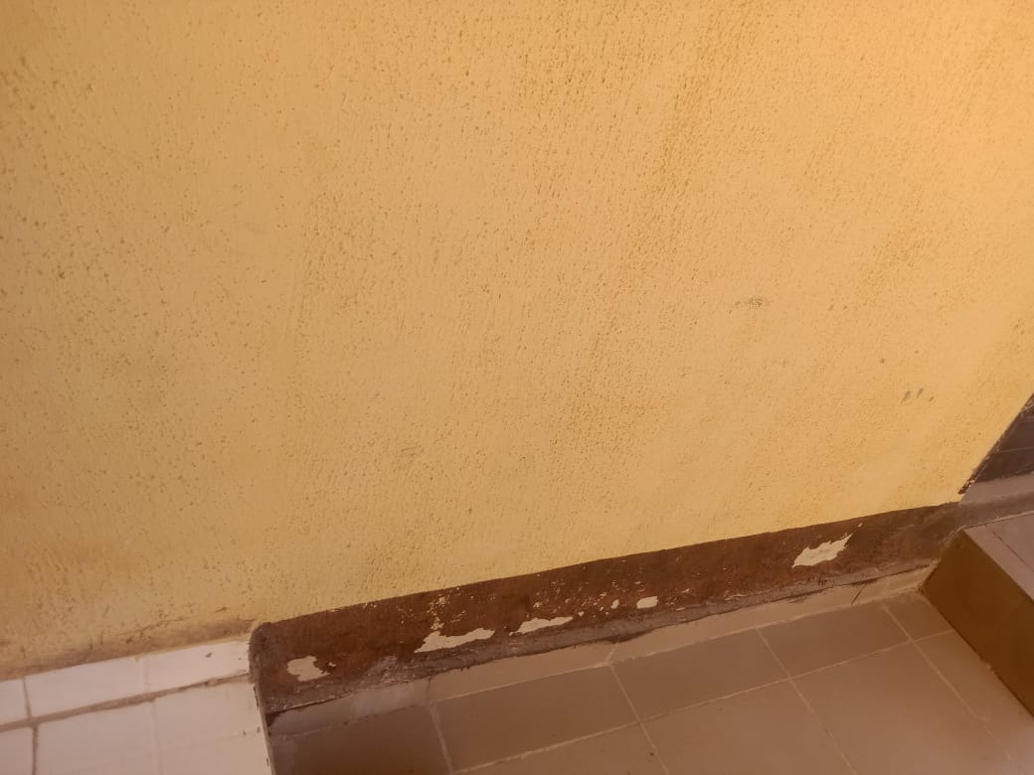
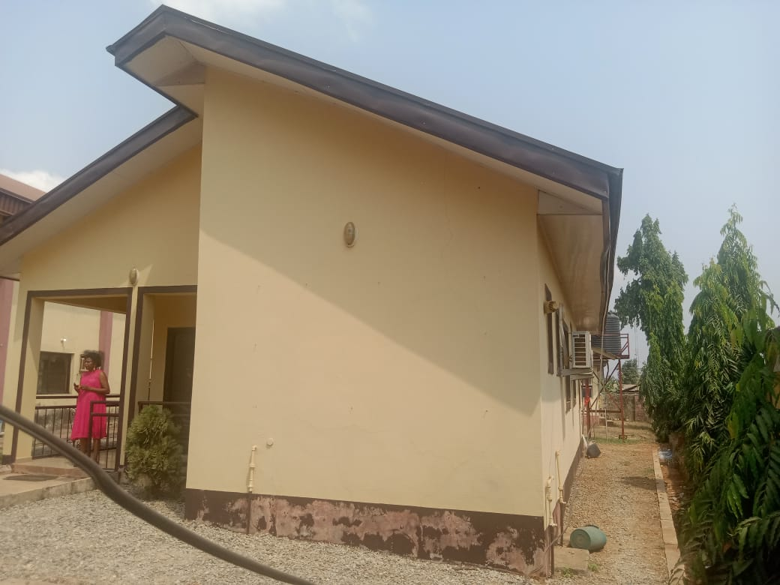
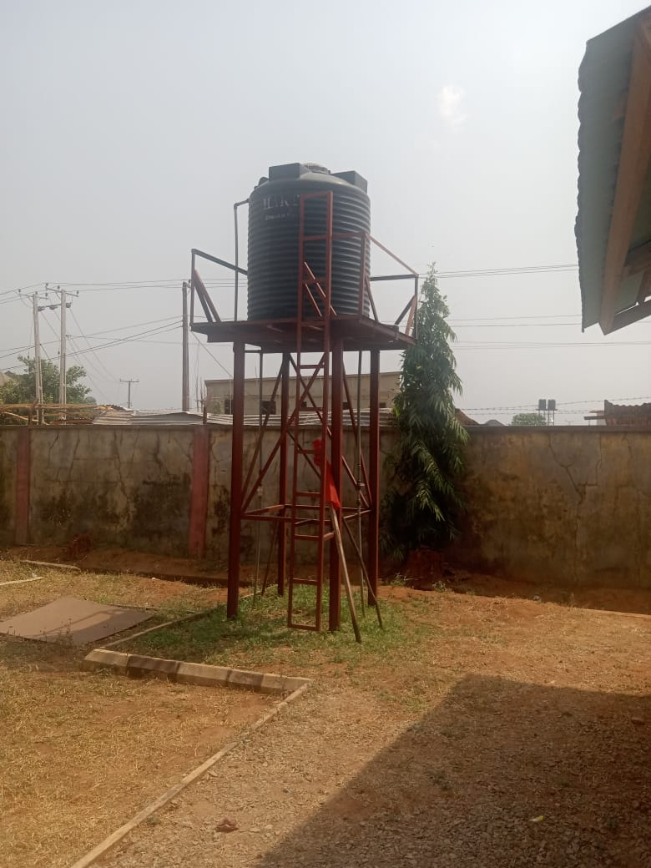

ITEM | NAME | AVAILABLE/USABLE FLOOR AREA | DESCRIPTION | DAMAGE LEVEL | REMEDIAL WORKS REQUIRED
1 | Battery Room (Floor Area) | 3 x 6 m (18sq.m) | This room include electrical boards, solar installtions, Batteries, fans and grills | 1 | Screeding and painting of wall. Fans are required in the baterrey room

2 | Training Room (Floor Area) | 6 x 8 m (42sq.m) | Room contains computers for training, sockets, desks and chairs. | 1 | painting of room as well as minimal maintenance on desks and replacement of 4 chairs

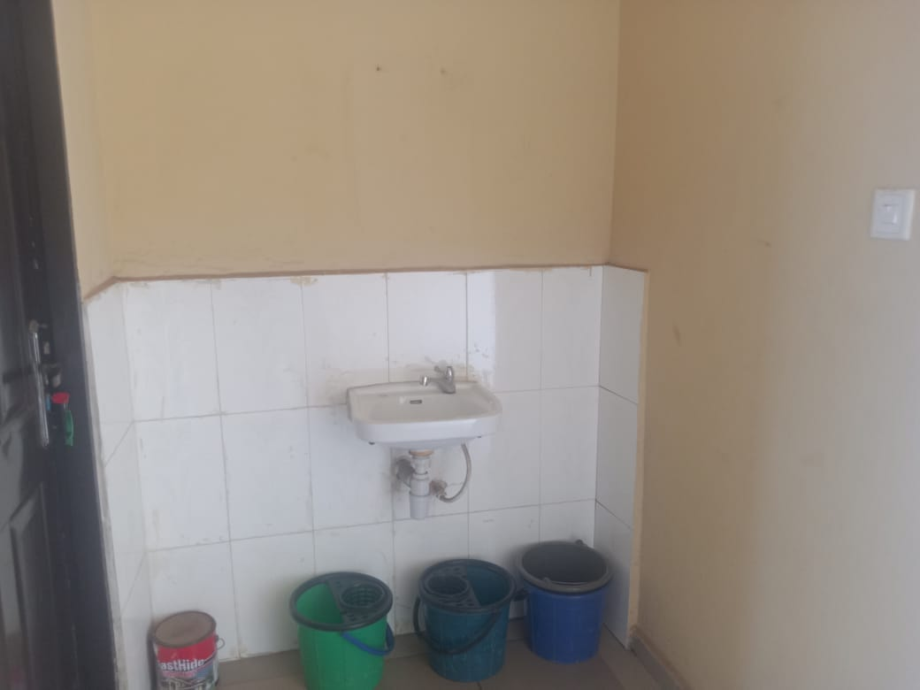
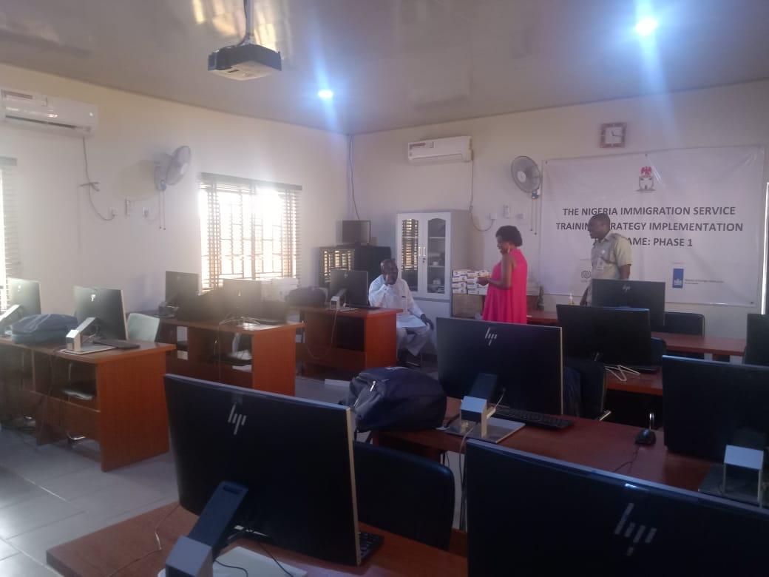
3 | Toilets | 2.4 x 1.5 (3.6sq.m) | 2 toilets and 1 wash hand basin | 1 | Tank reticulation to reduce waste from discharge. Provision of wash hand basin

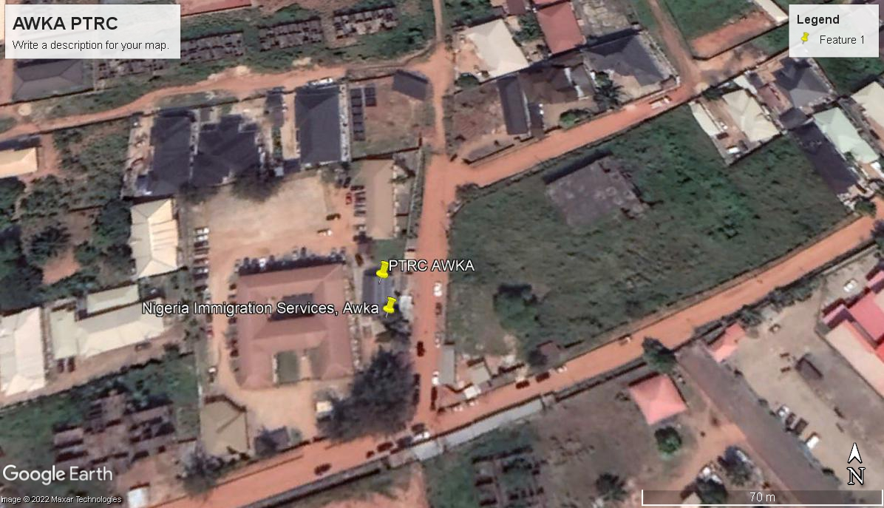
4 | Perimeter | 74.2 meters | Building exterior: Corridor, Landscaped area and services | 1 | Install the following: painting fixing of broken floor tiles and trimming of trees and shrubs
 |  |  |  |  |  | 1. Water Tank requires reticulation 2. Wash hand basin | 3. Right side view 4. interior of Training room | PTRC CHAIR

