ILLUSTRATIONS
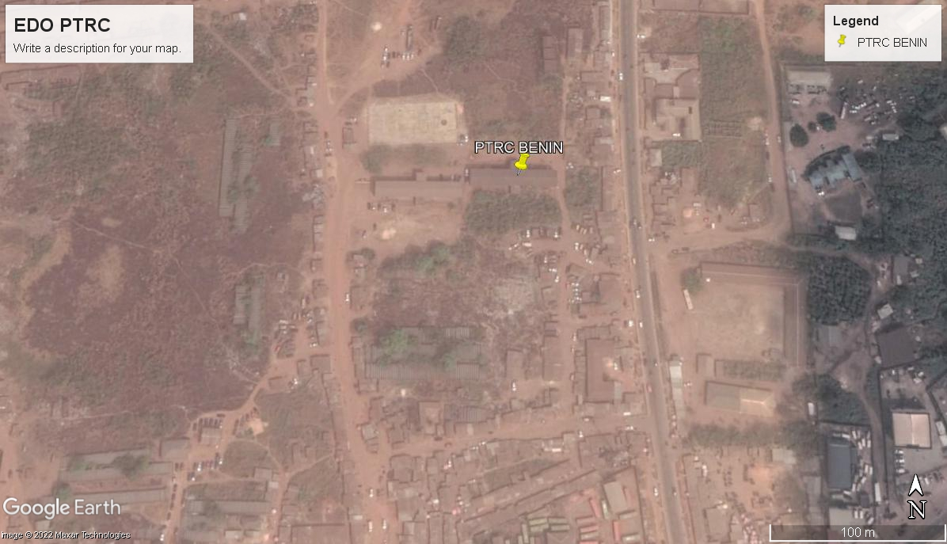
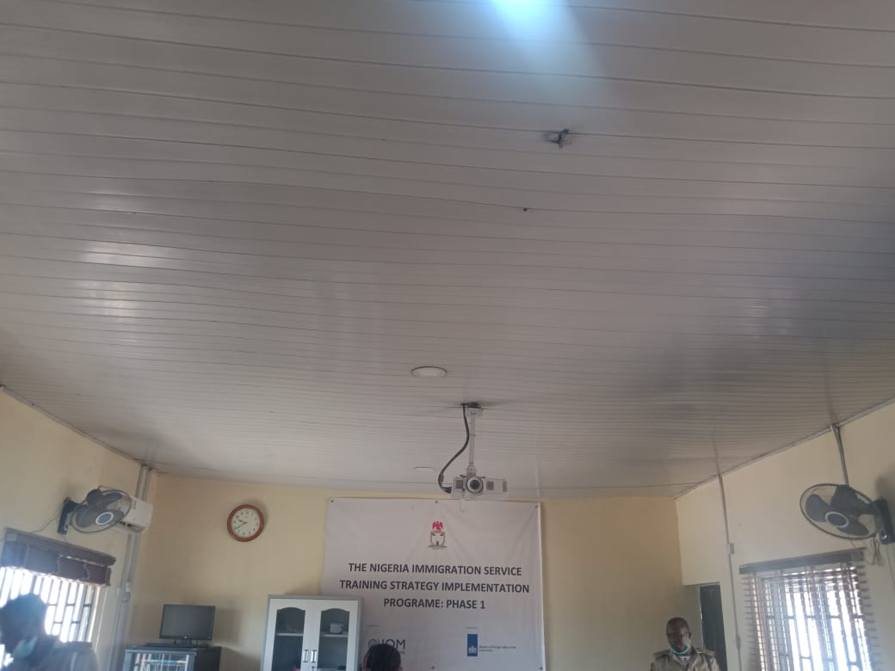
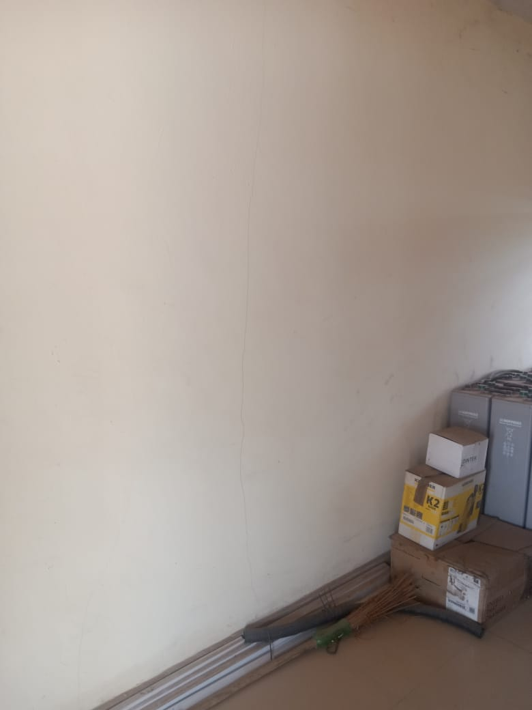

ITEM | NAME | AVAILABLE/USABLE FLOOR AREA | DESCRIPTION | DAMAGE LEVEL | REMEDIAL WORKS REQUIRED
1 | Battery Room (Floor Area) | 2.8 x 6 m (18sq.m) | This room include electrical boards, solar installtions, Batteries, fans and window grills | 1 | Screeding and painting of wall. Fans are required in the baterrey room

2 | Training Room (Floor Area) | 6 x 8 m (42sq.m) | Room contains computers for training, sockets, desks and chairs. | 2 | Due to the age of the utmost care should be taken to screed the walls and paint them. Props would be necessary

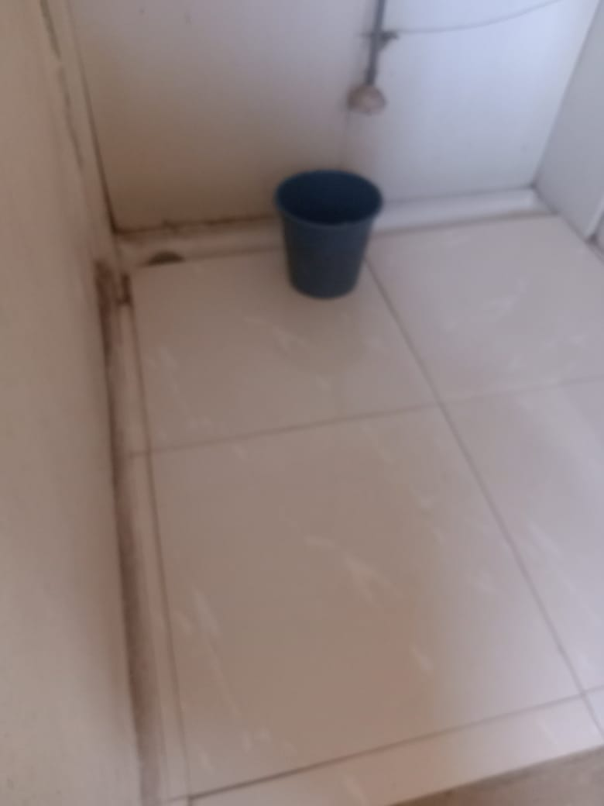
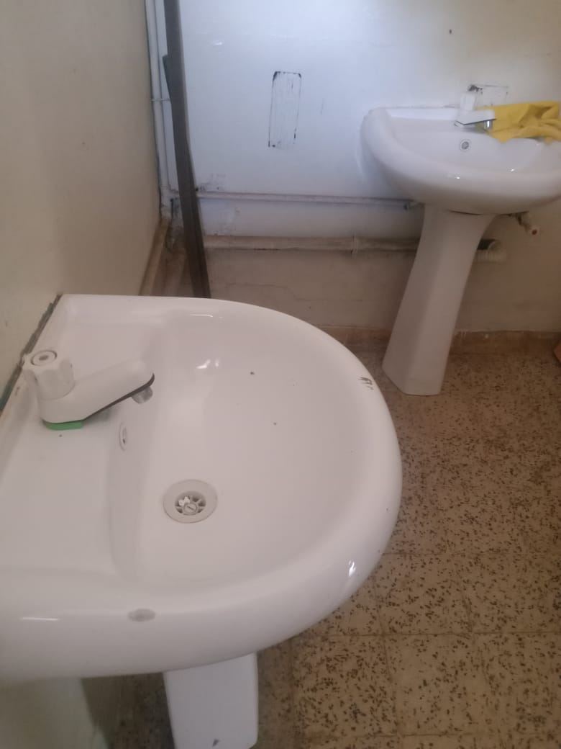
3 | Toilets | General block Toilet | 2 toilets and 2 wash hand basins and a trough urinal | 2 | changing of faucets, tiling and provision of bidet

4 | Perimeter | 0 | A shared corridor: | 1
 |  |  |  |  |  | 1. Training room 2. Trough unrinal | 3. battery room showing a wall crack 4. Wash hand basin faucets need replacing | PTRC CHAIR

